basic
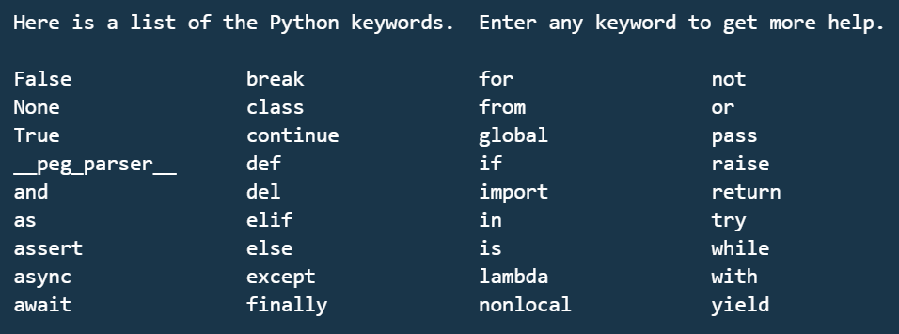
1 Basics of Python

1 | Variables
2 | keywords & identifiers
3 | literals
4 | operators | --> +,-,*,/,**,??,%
5 | Implicit conversion
6 | explicit conversion
7 | print | --> print(value, ..., sep=' ', end='\n', file=sys.stdout, flush=False)

strings
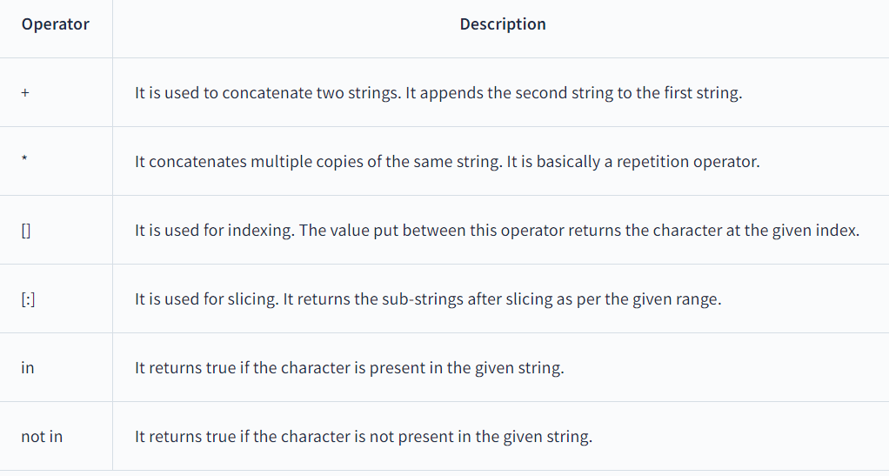
String
 | string concatenation | +
 | string multiply | *
 | string accessing | [0]
 | string indexing | [0:5]

